Sample Test Case
Project Name: |  | Indigo Round Trip Booking |  |  | 
Module Name: |  | Search Module
Reference Document: |  | https://www.goindigo.in/?cid=Display|Affiliate|LF|LA74|2113
Created by: |  | Group-6
Date of creation: |  | 30-Nov-24
Reviewed by:
Date of review:
Approved by:
Date of approval

TEST CASE ID | TEST SCENARIO | TEST CASE | Pre Condition | TEST STEPS | EXPECTED RESULT | Post Condition | ACTUAL RESULT | Screenshot | STATUS (PASS/FAIL. | Bugs if Any
TC_01 | Validate the functionality of Booking Round-Trip flight on https://www.goindigo.in/ | Search with valid details | Need to be valid User. | 1.Navigate to the Indigo website. | A list of available flights matching the criteria should be presented. | "Successful Flight Booking" | A list of available flights matching the criteria is presented. | 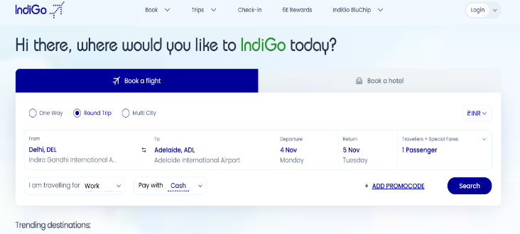 | Passed
 |  |  |  | 2.Select the "Round-Trip" option.
 |  |  |  | 3.Select the currency.
 |  |  |  | 4.Select "Departure" and "Destination" location.
 |  |  |  | 5.Select the Departure date.
 |  |  |  | 6.Select the Destination date.
 |  |  |  | 7. Select the no. of passengers.
 |  |  |  | 8.Select the travel purpose.
 |  |  |  | 9.Select from the "Pay with" option.
 |  |  |  | 10.Click on "Search"
TC_02 | Validate the functionality of Booking Round-Trip flight on https://www.goindigo.in/ | Search with invalid departure city & destination city | Need to be valid User. |  | No airport should be found in Departure and Destination location | "Error Message" | No airport is found in Departure and Destination location | 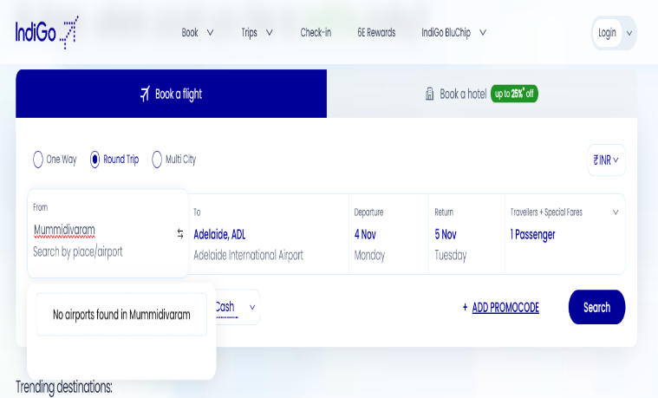 | Passed
 |  |  |  | 1.Navigate to the Indigo website.
 |  |  |  | 2.Select the "Round-Trip" option.
 |  |  |  | 3.Select the currency.
 |  |  |  | 4.Select invalid "Departure" and "Destination" location.
 |  |  |  | 5.Select the Departure date.
 |  |  |  | 6.Select the Destination date.
 |  |  |  | 7. Select the no. of passengers.
 |  |  |  | 8.Select the travel purpose.
 |  |  |  | 9.Select from the "Pay with" option.
 |  |  |  | 10.Click on "Search"
TC_03 | Validate the functionality of Booking Round-Trip flight on https://www.goindigo.in/ | Search with invalid departure city | Need to be valid User. |  | No airport should be found in Departure location | "Error Message" | No airport is found in Departure location | 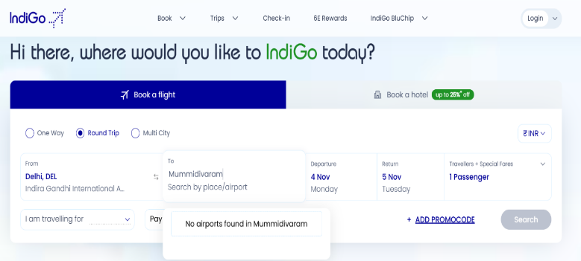 | Passed
 |  |  |  | 1.Navigate to the Indigo website.
 |  |  |  | 2.Select the "Round-Trip" option.
 |  |  |  | 3.Select the currency.
 |  |  |  | 4.Select invalid "Departure" and valid Destination" location.
 |  |  |  | 5.Select the Departure date.
 |  |  |  | 6.Select the Destination date.
 |  |  |  | 7. Select the no. of passengers.
 |  |  |  | 8.Select the travel purpose.
 |  |  |  | 9.Select from the "Pay with" option.
 |  |  |  | 10.Click on "Search"
TC_04 | Validate the functionality of Booking Round-Trip flight on https://www.goindigo.in/ | Search with invalid destination city | Need to be valid User. |  | No airport should be found in destination location | "Error Message" | No airport is found in destination location |  | Passed
 |  |  |  | 1.Navigate to the Indigo website.
 |  |  |  | 2.Select the "Round-Trip" option.
 |  |  |  | 3.Select the currency.
 |  |  |  | 4.Select invalid "Departure" and valid Destination" location.
 |  |  |  | 5.Select the Departure date.
 |  |  |  | 6.Select the Destination date.
 |  |  |  | 7. Select the no. of passengers.
 |  |  |  | 8.Select the travel purpose.
 |  |  |  | 9.Select from the "Pay with" option.
 |  |  |  | 10.Click on "Search"
TC_05 | Validate the functionality of Booking Round-Trip flight on https://www.goindigo.in/ | Leave Departure and Destination City Blank | Need to be valid User. |  | The search button should not be enabled | "Error Message" | The search button is not enable without selecting any destination and departure | 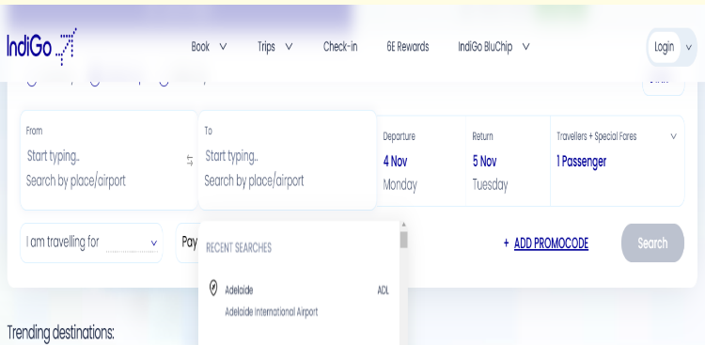 | Passed
 |  |  |  | 1.Navigate to the Indigo website.
 |  |  |  | 2.Select the "Round-Trip" option.
 |  |  |  | 3.Select the currency.
 |  |  |  | 4.Select invalid "Departure" and valid Destination" location.
 |  |  |  | 5.Select the Departure date.
 |  |  |  | 6.Select the Destination date.
 |  |  |  | 7. Select the no. of passengers.
 |  |  |  | 8.Select the travel purpose.
 |  |  |  | 9.Select from the "Pay with" option.
 |  |  |  | 10.Click on "Search"
TC_06 | Validate the functionality of Booking Round-Trip flight on https://www.goindigo.in/ | Search with blank Departure city | Need to be valid User. |  | The search button should not be enable | "Error Message" | The search button is not enable without selecting departure. |  | Passed
 |  |  |  | 1.Navigate to the Indigo website.
 |  |  |  | 2.Select the "Round-Trip" option.
 |  |  |  | 3.Select the currency.
 |  |  |  | 4.Select invalid "Departure" and valid Destination" location.
 |  |  |  | 5.Select the Departure date.
 |  |  |  | 6.Select the Destination date.
 |  |  |  | 7. Select the no. of passengers.
 |  |  |  | 8.Select the travel purpose.
 |  |  |  | 9.Select from the "Pay with" option.
 |  |  |  | 10.Click on "Search"
TC_07 | Validate the functionality of Booking Round-Trip flight on https://www.goindigo.in/ | Search with blank Destination city | Need to be valid User. | 1.Navigate to the Indigo website. | User should not be allowed to search the flights. | "Error Message" | User is unable to search for the flights.( Search button disabled) | 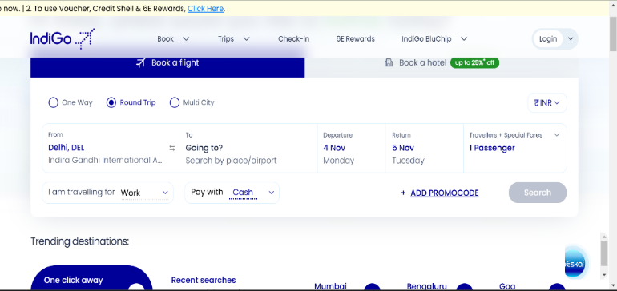 | Passed
 |  |  |  | 2.Select the "Round-Trip" option.
 |  |  |  | 3.Select the currency.
 |  |  |  | 4.leave the Destination city blank.
 |  |  |  | 5.Select the Departure date.
 |  |  |  | 6.Select the Destination date.
 |  |  |  | 7. Select the no. of passengers.
 |  |  |  | 8.Select the travel purpose.
 |  |  |  | 9.Select from the "Pay with" option.
 |  |  |  | 10.Click on "Search"
TC_08 | Validate the functionality of Booking Round-Trip flight on https://www.goindigo.in/ | Search with both identical 'Departure city' & 'Destination City' | Need to be valid User. | 1.Navigate to the Indigo website. | Error message should be displayed, preventing search with identical cities. | "Error Message" | Searching with the same city in the Destination field is not allowed.(Search Button is Disabled.) |  | Passed
 |  |  |  | 2.Select the "Round-Trip" option.
 |  |  |  | 3.Select the currency.
 |  |  |  | 4.Select same Departure and Destination city.
 |  |  |  | 5.Select the Departure date.
 |  |  |  | 6.Select the Destination date.
 |  |  |  | 7. Select the no. of passengers.
 |  |  |  | 8.Select the travel purpose.
 |  |  |  | 9.Select from the "Pay with" option.
 |  |  |  | 10.Click on "Search"
TC_09 | Validate the functionality of Booking Round-Trip flight on https://www.goindigo.in/ | Validate the 'auto-suggestion' option | Need to be valid User. | 1.Navigate to the Indigo website. | Auto-suggestion should show relevant cities. | "Successful Flight Booking" | Matching city options appear on the dropdown list. | 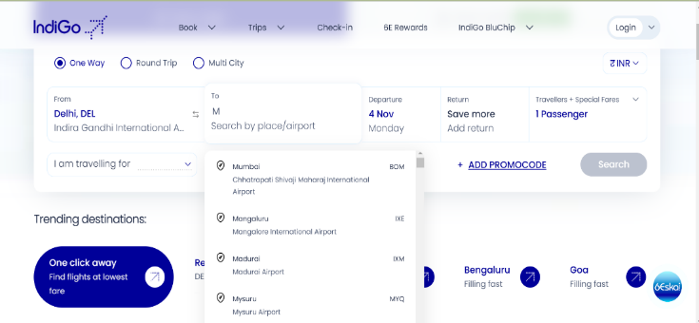 | Passed
 |  |  |  | 2.Select the "Round-Trip" option.
 |  |  |  | 3.Select the currency.
 |  |  |  | 4.Click on the "From" and "to" field and start typing a city name. Verify if the "auto- suggestion" dropdown appears with the relevant city names.
 |  |  |  | 5.Select the Departure and destination date.
 |  |  |  | 6. Select the no. of passengers.
 |  |  |  | 7.Select the travel purpose.
 |  |  |  | 8.Select from the "Pay with" option.
 |  |  |  | 9.Click on "Search"
TC_10 | Validate the functionality of Booking Round-Trip flight on https://www.goindigo.in/ | Validate that the user can reverse the "From City" and "To City" selections and search for flights without issues. | Need to be valid User. | 1.Navigate to the Indigo website. | Reversing cities should work correctly, allowing a successful search. | "Successful Flight Booking" | The cities swap without issues and the search completes successfully. |  | Passed
 |  |  |  | 2.Select the "Round-Trip" option.
 |  |  |  | 3.Select the currency.
 |  |  |  | 4.Select the "From" and "To" city.
 |  |  |  | 5.Use the reverse button/option to swap the "From City" and "To City" selections.
 |  |  |  | 6..Select the Departure and destination date.
 |  |  |  | 7.Select the no. of passengers.
 |  |  |  | 8.Select the travel purpose.
 |  |  |  | 9.Select from the "Pay with" option.
 |  |  |  | 10. Click on "Search"
TC_11 | Validate the functionality of Booking Round-Trip flight on https://www.goindigo.in/ | Validate maximum character limits for departure and destination city. | Need to be valid User. | 1.Navigate to the Indigo website. | Error messages for exceeding character limits in both city fields | "Error Message" | Shows an error message " No aiports found in Mumbaiiiiiii". |  | Passed
 |  |  |  | 2.Select the "Round-Trip" option.
 |  |  |  | 3.Select the currency.
 |  |  |  | 4.Enter Departure City (type a name that exceeds the maximum character limit).
 |  |  |  | 5.Verify the error message for Departure City.
 |  |  |  | 6.Clear the Departure City field and enter a valid name.
 |  |  |  | 7.Enter Destination City (type a name that exceeds the maximum character limit).
 |  |  |  | 8.Verify the error message for Destination City.
 |  |  |  | 9.Clear the Destination City field and enter a valid name.
 |  |  |  | 10.Proceed with selecting the number of passengers and continue to search.
TC_12 | Validate the functionality of Booking Round-Trip flight on https://www.goindigo.in/ | Verify handling of Special characters | Need to be valid User. | 1.Navigate to the Indigo website. | Error Message: No airports found | "Error Message" | No airports found | 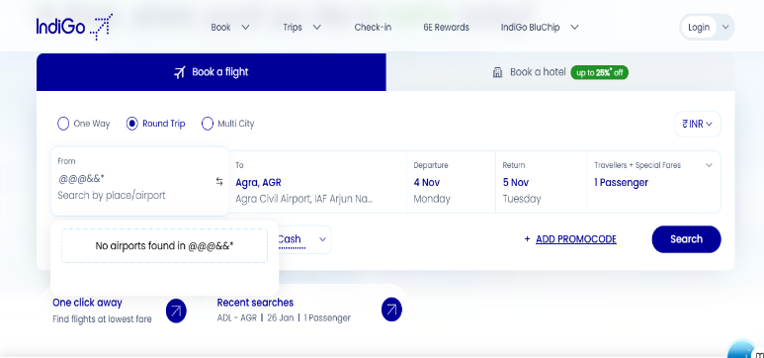 | Passed
 |  |  |  | 2.Select the "Round-Trip" option.
 |  |  |  | 3.Select the currency.
 |  |  |  | 4.leave the Destination city blank.
 |  |  |  | 5.Select the Departure date.
 |  |  |  | 6.Select the Destination date.
 |  |  |  | 7. Select the no. of passengers.
 |  |  |  | 8.Select the travel purpose.
 |  |  |  | 9.Select from the "Pay with" option.
 |  |  |  | 10.Click on "Search"
TC_13 | Validate the functionality of Booking Round-Trip flight on https://www.goindigo.in/ | Verify behavior with spelling variations | Need to be valid User. | 1.Navigate to the Indigo website. | Error Message: No airports found | "Error Message" | Error Message: No airports found | 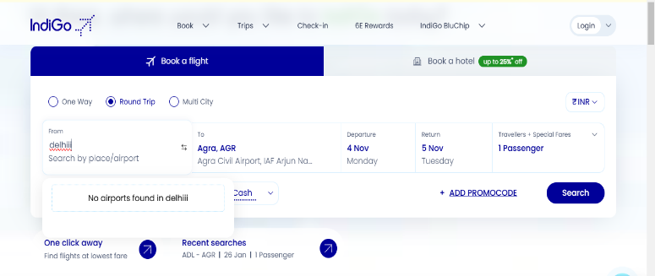 | Passed
 |  |  |  | 2.Select the "Round-Trip" option.
 |  |  |  | 3.Select the currency.
 |  |  |  | 4.leave the Destination city blank.
 |  |  |  | 5.Select the Departure date.
 |  |  |  | 6.Select the Destination date.
 |  |  |  | 7. Select the no. of passengers.
 |  |  |  | 8.Select the travel purpose.
 |  |  |  | 9.Select from the "Pay with" option.
 |  |  |  | 10.Click on "Search"
TC_14 | Validate the functionality of Booking Round-Trip flight on https://www.goindigo.in/ | Verify behavior with different letter cases | Need to be valid User. | 1.Navigate to the Indigo website. | Error Message: No airports found | "Error Message" | Error Message: No airports found | 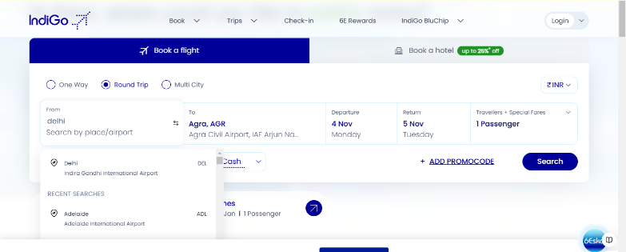 | Passed
 |  |  |  | 2.Select the "Round-Trip" option.
 |  |  |  | 3.Select the currency.
 |  |  |  | 4.leave the Destination city blank.
 |  |  |  | 5.Select the Departure date.
 |  |  |  | 6.Select the Destination date.
 |  |  |  | 7. Select the no. of passengers.
 |  |  |  | 8.Select the travel purpose.
 |  |  |  | 9.Select from the "Pay with" option.
 |  |  |  | 10.Click on "Search"
TC_15 | Validate the functionality of Booking Round-Trip flight on https://www.goindigo.in/ | Search with same 'Departure City' & 'Destination City' | Need to be valid User. | 1.Navigate to the Indigo website. | The system should be display a list of available flights based on the user's search criteria | "Successful Flight Booking" | The system display list of available flights based on the user's search criteria | 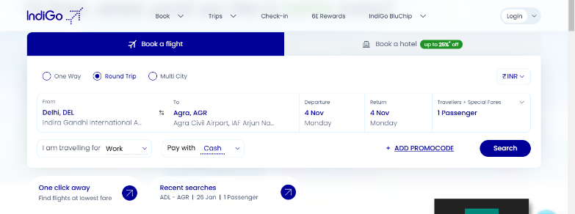 | Passed
 |  |  |  | 2.Select the "Round-Trip" option.
 |  |  |  | 3.Select the currency.
 |  |  |  | 4.leave the Destination city blank.
 |  |  |  | 5.Select the Departure date.
 |  |  |  | 6.Select the Destination date.
 |  |  |  | 7. Select the no. of passengers.
 |  |  |  | 8.Select the travel purpose.
 |  |  |  | 9.Select from the "Pay with" option.
 |  |  |  | 10.Click on "Search"
TC_16 | Validate the functionality of Booking Round-Trip flight on https://www.goindigo.in/ | Search with valid departure date & return date | Need to be valid User. | 1.Navigate to the Indigo website. | The system should be display a list of available flights based on the user's search criteria | "Successful Flight Booking" | The system should be display a list of available flights based on the user's search criteria | 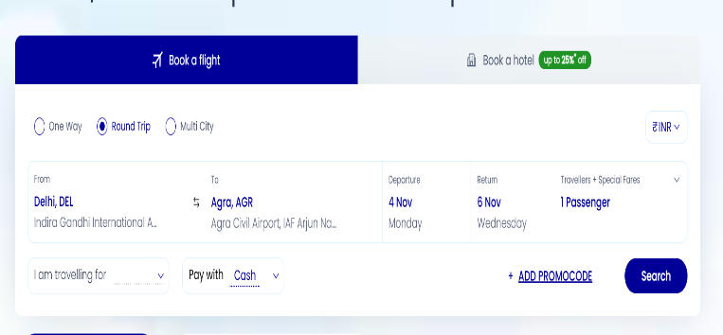 | Passed
 |  |  |  | 2.Select the "Round-Trip" option.
 |  |  |  | 3.Select the currency.
 |  |  |  | 4.Select "Departure" and "Destination" location.
 |  |  |  | 5.Select the valid Departure date.
 |  |  |  | 6.Select the valid Destination date.
 |  |  |  | 7. Select the no. of passengers.
 |  |  |  | 8.Select the travel purpose.
 |  |  |  | 9.Select from the "Pay with" option.
 |  |  |  | 10.Click on "Search"
TC_17 | Validate the functionality of Booking Round-Trip flight on https://www.goindigo.in/ | Validate that the system prevents selecting a return date that is before the departure date. | Need to be valid User. | 1.Navigate to the Indigo website. | User should not be able to select return date before departure date. | "Error Message" | Return date options before the departure date were grayed out and unselectable in the date picker. | 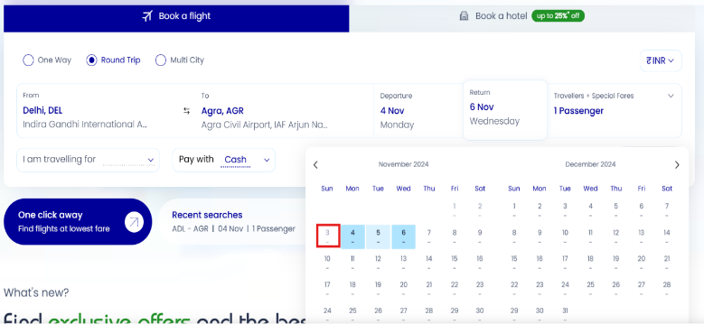 | Passed
 |  |  |  | 2.Select the "Round-Trip" option.
 |  |  |  | 3.Select the currency.
 |  |  |  | 4.Select "Departure" and "Destination" location.
 |  |  |  | 5.Select the valid Departure date.
 |  |  |  | 6.Select the valid Destination date.
 |  |  |  | 7. Select the no. of passengers.
 |  |  |  | 8.Select the travel purpose.
 |  |  |  | 9.Select from the "Pay with" option.
 |  |  |  | 10.Click on "Search"
TC_18 | Validate the functionality of Booking Round-Trip flight on https://www.goindigo.in/ | Validate that the system prevents selecting a departure date that is before the return date. | Need to be valid User. | 1.Navigate to the Indigo website. | User should not be able to select departure date before return date. | "Error Message" | Departure date options after the return date were disabled and unselectable in the date picker. | 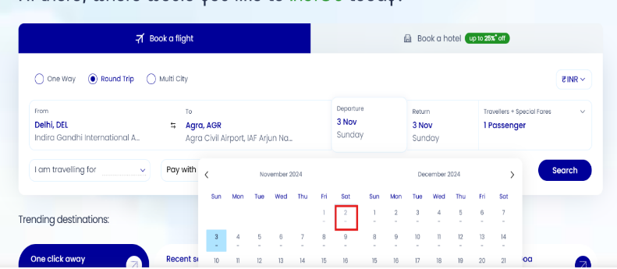 | Passed
 |  |  |  | 2.Select the "Round-Trip" option.
 |  |  |  | 3.Select the currency.
 |  |  |  | 4.Select "Departure" and "Destination" location.
 |  |  |  | 5.Select the Departure date.
 |  |  |  | 6.Select the Destination date.
 |  |  |  | 7. Select the no. of passengers.
 |  |  |  | 8.Select the travel purpose.
 |  |  |  | 9.Select from the "Pay with" option.
 |  |  |  | 10.Click on "Search"
TC_19 | Validate the functionality of Booking Round-Trip flight on https://www.goindigo.in/ | Search with same 'Departure Date' & 'Return Date' | Need to be valid User. | 1.Navigate to the Indigo website. | User should be able to select same departure date and destination date. | "Successful Flight Booking" | System allowed same-day selection and displayed flights for both departure and destination on the selected date as expected. | 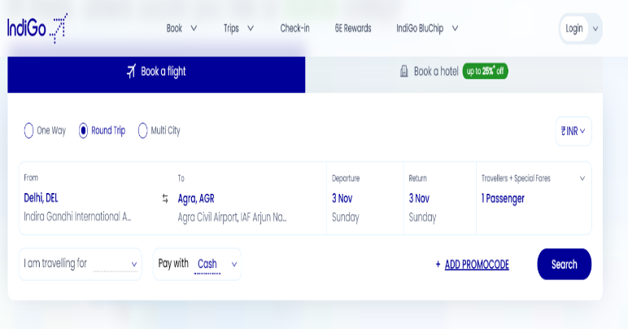 | Passed
 |  |  |  | 2.Select the "Round-Trip" option.
 |  |  |  | 3.Select the currency.
 |  |  |  | 4.Select "Departure" and "Destination" location.
 |  |  |  | 5.Select the Same Departure date.
 |  |  |  | 6.Select the Same Destination date.
 |  |  |  | 7. Select the no. of passengers.
 |  |  |  | 8.Select the travel purpose.
 |  |  |  | 9.Select from the "Pay with" option.
 |  |  |  | 10.Click on "Search"
TC_20 | Validate the functionality of Booking Round-Trip flight on https://www.goindigo.in/ | Seach with empty 'Return Date' | Need to be valid User. | 1.Navigate to the Indigo website. | User should not be able to book flight with empty destination date error message is shown "select a return date" | "Error Message" | System displayed an error message: "Please select a return date for a round-trip booking." | 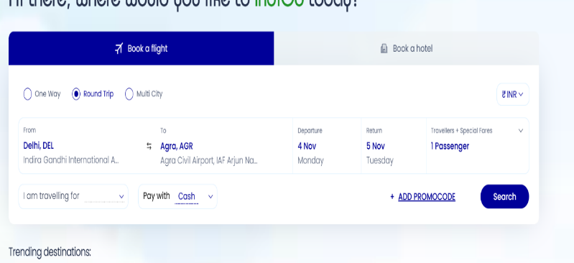 | Passed
 |  |  |  | 2.Select the "Round-Trip" option.
 |  |  |  | 3.Select the currency.
 |  |  |  | 4.Select "Departure" and "Destination" location.
 |  |  |  | 5.Select the Departure date.
 |  |  |  | 6.Select the empty Destination date.
 |  |  |  | 7. Select the no. of passengers.
 |  |  |  | 8.Select the travel purpose.
 |  |  |  | 9.Select from the "Pay with" option.
 |  |  |  | 10.Click on "Search"
TC_21 | Validate the functionality of Booking Round-Trip flight on https://www.goindigo.in/ | Validate restriction on selecting a departure date beyond the maximum booking window. | Need to be valid User. | 1.Navigate to the Indigo website. | User should not be able to select departure date that exceeds the maximum booking window typically 1 year advance and the window should be grayed out. | "Error Message" | Departure date options beyond the maximum booking window were disabled and unselectable in the date picker. | 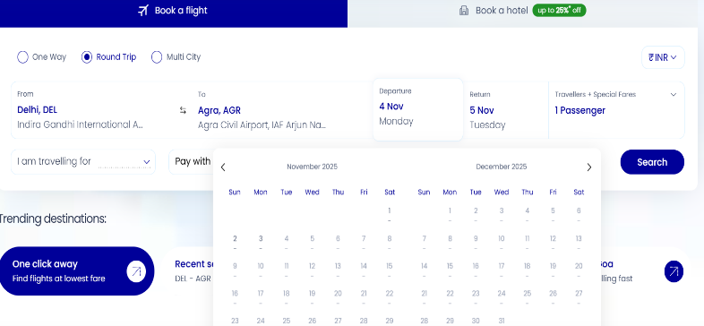 | Passed
 |  |  |  | 2.Select the "Round-Trip" option.
 |  |  |  | 3.Select the currency.
 |  |  |  | 4.Select "Departure" and "Destination" location.
 |  |  |  | 5.Select the Departure date.
 |  |  |  | 6.Select the Destination date.
 |  |  |  | 7. Select the no. of passengers.
 |  |  |  | 8.Select the travel purpose.
 |  |  |  | 9.Select from the "Pay with" option.
 |  |  |  | 10.Click on "Search"
TC_22 | Validate the functionality of Booking Round-Trip flight on https://www.goindigo.in/ | Validate that the system allows selecting 'Departure date' & 'Return date' on public holidays. | Need to be valid User. | 1.Navigate to the Indigo website. | User should be able to book flight on public holidays. | "Successful Flight Booking" | Users successfully selected both departure and return dates that fell on public holidays without encountering any issues. | 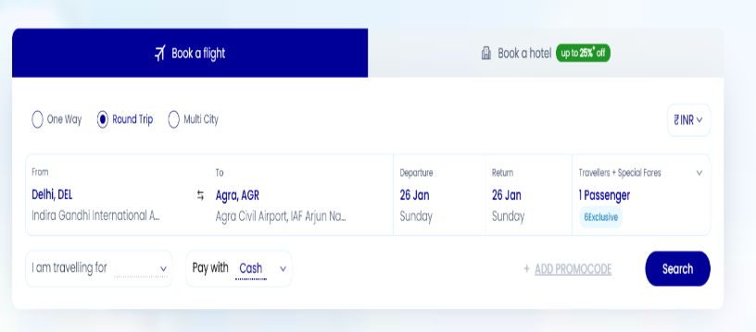 | Passed
 |  |  |  | 2.Select the "Round-Trip" option.
 |  |  |  | 3.Select the currency.
 |  |  |  | 4.Select "Departure" and "Destination" location.
 |  |  |  | 5.Select the Departure date.
 |  |  |  | 6.Select the Destination date.
 |  |  |  | 7. Select the no. of passengers.
 |  |  |  | 8.Select the travel purpose.
 |  |  |  | 9.Select from the "Pay with" option.
 |  |  |  | 10.Click on "Search"
TC_23 | Validate the functionality of Booking Round-Trip flight on https://www.goindigo.in/ | Search with Valid Promocode in '+ADD PROMOCODE' | Need to be valid User. | 1. Navigate to the Indigo Website | The system should recognize the promocode as valid | "Successful Flight Booking" | The discount will be applied, and the success message will appear. |  | Passed
 |  |  |  | 2. Select " ADD PROMOCODE" option
 |  |  |  | 3. Click on Search

TC_24 | Validate the functionality of Booking Round-Trip flight on https://www.goindigo.in/ | Search with Invalid Promocode in '+ADD PROMOCODE' | Need to be valid User. | 1. Navigate to the Indigo Website | The system should recognize the promo code as invalid. | "Error Message" | The system will display "Code entered does not exist or is expired" message and avoid applying any discount. |  | Passed
 |  |  |  | 2. Select " ADD PROMOCODE" option
 |  |  |  | 3. Click on Search
TC_25 | Validate the functionality of Booking Round-Trip flight on https://www.goindigo.in/ | Search with Expired Promocode in '+ADD PROMOCODE' | Need to be valid User. |  | The system should reject the expired promo code. | "Error Message" | The system displays "Code entered does not exist or is expired" message, and no discount is applied. |  | Passed
 |  |  |  | 1. Navigate to the Indigo Website
 |  |  |  | 2. Select " ADD PROMOCODE" option
 |  |  |  | 3. Click on Search

TC_26 | Validate the functionality of Booking Round-Trip flight on https://www.goindigo.in/ | Search with Empty Promocode in '+ADD PROMOCODE' | Need to be valid User. | 1. Navigate to the Indigo Website | The system should not accept the submission. | "Error Message" | "Apply" option will act null and no promocode can be applied |  | Passed
 |  |  |  | 2. Select " ADD PROMOCODE" option
 |  |  |  | 3. Click on Search

TC_27 | Validate the functionality of Booking Round-Trip flight on https://www.goindigo.in/ | Validating Minimum Fare Condition in '+ADD PROMOCODE' | Need to be valid User. | 1. Navigate to the Indigo Website | The promocode will only apply if the total fare meets or exceeds the minimum thresholld specified by the terms. | "Error Message" | The promocode applies correctly when the fare meets the minimum requirement. |  | Passed
 |  |  |  | 2. Select " ADD PROMOCODE" option
 |  |  |  | 3. Click on Search

TC_28 | Validate the functionality of Booking Round-Trip flight on https://www.goindigo.in/ | Validating whether Promo Code is Reused on Multiple Bookings | Need to be valid User. | 1. Navigate to the Indigo Website | The system should reject the promocode and display a message indicating that it has already been used. | "Error Message" | The system displays an appropriate message that "This code is already being used". |  | Passed
 |  |  |  | 2. Select " ADD PROMOCODE" option
 |  |  |  | 3. Click on Search

TC_29 | Validate the functionality of Booking Round-Trip flight on https://www.goindigo.in/ | Multiple Promo Codes Entered in '+ADD PROMOCODE' | Need to be valid User. | 1. Navigate to the Indigo Website | The system should accept only one valid promocode and apply the discount. | "Error Message" | The system applies only the last entered code, or not recognize the additional codes. |  | Passed
 |  |  |  | 2. Select " ADD PROMOCODE" option
 |  |  |  | 3. Click on Search

TC_30 | Validate the functionality of Booking Round-Trip flight on https://www.goindigo.in/ | Case Sensitivity Check of the Promo code entered | Need to be valid User. | 1. Navigate to the Indigo Website | If the promocode is case-insensitive, any case format should apply the discount correctly. If case-sensitive, error message will be displayed. | "Error Message" | "Code entered does not exist or is expired" message pops up. |  | Passed
 |  |  |  | 2. Select " ADD PROMOCODE" option
 |  |  |  | 3. Click on Search

TC_31 | Validate the functionality of Booking Round-Trip flight on https://www.goindigo.in/ | Validating Promo Code with Other Discounts | Need to be valid User. | 1. Navigate to the Indigo Website | Only one discount should apply as per the flight credentials and bookings. | "Successful Flight Booking" | The system allows only the valid primary discount, with a message indicating the limitations. |  | Passed
 |  |  |  | 2. Select " ADD PROMOCODE" option
 |  |  |  | 3. Click on Search

TC_32 | Validate the functionality of Booking Round-Trip flight on https://www.goindigo.in/ | Validating when Promo Code is Removed Before Applying | Need to be valid User. | 1. Navigate to the Indigo Website | The system should update the UI to reflect that no promocode is currently applied. | "Successful Flight Booking" | The system displays the original amount as shown before applying promocodes. |  | Passed
 |  |  |  | 2. Select " ADD PROMOCODE" option
 |  |  |  | 3. Click on Search

TC_33 | Validate the functionality of Booking Round-Trip flight on https://www.goindigo.in/ | Valiating Promocode with Special Characters | Need to be valid User. | 1. Navigate to the Indigo Website | The system should either accept the promocode with special characters if valid or will display an error if invalid | "Error Message" | The system rejects codes with unsupported characters and displays "Code entered does not exist or is expired". |  | Passed
 |  |  |  | 2. Select " ADD PROMOCODE" option
 |  |  |  | 3. Click on Search

TC_34 | Validate the functionality of Booking Round-Trip flight on https://www.goindigo.in/ | Verify that the 'Round Trip' option is visually distinct when selected, making it clear to users that they’re booking a round trip. | Need to be valid User. | 1. Navigate to the Indigo website. | The 'Round Trip' option should be highlighted or styled differently to indicate it is selected. | "Successful Flight Booking" | The 'Round Trip' option is highlighted, indicating it is selected |  | Passed
 |  |  |  | 2. Verify that the 'Round Trip' option is visually distinct before selection.
 |  |  |  | 3. Select the "Round-Trip" option and check its visual distinction.
 |  |  |  | 4. Proceed to the next step (like selecting the currency).

TC_35 | Validate the functionality of Booking Round-Trip flight on https://www.goindigo.in/ | Verify that the 'Departure' and 'Return' date fields are clearly labeled and appear in a logical sequence. | Need to be valid User. | 1. Navigate to the Indigo website and go to the flight booking section. | Both date fields should be clearly labeled and the 'Departure' field should appear before the 'Return' field. | "Successful Flight Booking" | The 'Departure' and 'Return' date fields are clearly labeled and in the correct sequence. |  | Passed
 |  |  |  | 2. Verify that the 'Departure' date field is clearly labeled.
 |  |  |  | 3. Verify that the 'Return' date field is clearly labeled.
 |  |  |  | 4. Confirm that the 'Departure' field appears before the 'Return' field.

TC_36 | Validate the functionality of Booking Round-Trip flight on https://www.goindigo.in/ | Verify that the date picker for both 'Departure' and 'Return' dates is easy to navigate, with selected dates highlighted and weekends/holidays distinguishable. | Need to be valid User. | 1.Navigate to the Indigo website and open the flight booking section. | The date picker should be easy to navigate, with selected dates highlighted and weekends/holidays clearly marked. | "Successful Flight Booking" | The date picker is user-friendly, highlighting selected dates and marking weekends/holidays clearly. |  | Passed
 |  |  |  | 2. Click on the 'Departure' date field to open the date picker.
 |  |  |  | 3. Check if navigation through months is easy and responsive.
 |  |  |  | 4. Verify that the selected 'Departure' date is highlighted.
 |  |  |  | 5. Repeat steps 2-4 for the 'Return' date field.
 |  |  |  | 6. Confirm that weekends and holidays are visually distinguishable.

TC_37 | Validate the functionality of Booking Round-Trip flight on https://www.goindigo.in/ | Verify that the text, icons, and labels within the 'Round Trip' section have appropriate color contrast and are easily readable, meeting accessibility standards. | Need to be valid User. | 1. Navigate to the Indigo website and access the 'Round Trip' section. | All text, icons, and labels should have appropriate color contrast and are easily readable, meeting accessibility standards. | "Successful Flight Booking" | All text, icons, and labels meet accessibility standards for color contrast and readability. |  | Passed
 |  |  |  | 2. Check the text color against the background for sufficient contrast.
 |  |  |  | 3. Verify that icons are easily distinguishable and meet contrast requirements.
 |  |  |  | 4. Assess the readability of labels in terms of font size and clarity.

TC_38 | Validate the functionality of Booking Round-Trip flight on https://www.goindigo.in/ | Verify that the 'Search' button is prominently visible and becomes active only when both 'Departure' and 'Return' dates are selected. | Need to be valid User. | 1. Navigate to the flight booking section on the Indigo website. | The 'Search' button should be prominently visible and activates only when both dates are selected. | "Successful Flight Booking" | The 'Search' button is visible and activates only when both dates are selected. |  | Passed
 |  |  |  | 2. Verify the visibility of the 'Search' button before selecting dates.
 |  |  |  | 3. Select the 'Departure' date and check if the 'Search' button remains inactive.
 |  |  |  | 4. Select the 'Return' date and confirm the 'Search' button becomes active.

TC_39 | Validate the functionality of Booking Round-Trip flight on https://www.goindigo.in/ | Verify that the layout and alignment of the 'Round Trip' form fields remain organized and consistent on desktop and for other devices. | Need to be valid User. | 1. Navigate to the Indigo website and access the 'Round Trip' form. | The layout and alignment of 'Round Trip' form fields should be organized and consistent on both desktop and mobile devices. | "Successful Flight Booking" | The 'Round Trip' form fields are organized and consistent on desktop and mobile devices. |  | Passed
 |  |  |  | 2. Check the layout and alignment of the form fields on a desktop.
 |  |  |  | 3 Switch to a mobile device and access the same form.
 |  |  |  | 4. Compare the layout and alignment of form fields on both devices.

TC_40 | Validate the functionality of Booking Round-Trip flight on https://www.goindigo.in/ | Verify that interactive elements (e.g., date pickers, dropdowns) are large enough for easy selection, with adequate spacing to avoid accidental clicks. | Need to be valid User. | 1. Navigate to the Indigo website and access the flight booking section. | Interactive elements should be large enough for easy selection, with adequate spacing to prevent accidental clicks. | "Error Message" | Interactive elements are appropriately sized with sufficient spacing to prevent accidental clicks. |  | Passed
 |  |  |  | 2. Inspect the size of the date picker and dropdown elements.
 |  |  |  | 3. Check the spacing between interactive elements to ensure they are not too close together.
 |  |  |  | 4. Attempt to select each element to confirm ease of interaction.

TC_41 | Validate the functionality of Booking Round-Trip flight on https://www.goindigo.in/ | Verify that any error messages user-friendly, concise, and guide the user to correct the input error. | Need to be valid User. | 1. Navigate to the Indigo website and enter invalid input in a form field. | Error messages should be concise, user-friendly, and provide clear guidance for correcting the input error. | "Error Message" | Error messages are clear and guide users for corrections. |  | Passed
 |  |  |  | 2. Submit the form to trigger an error message.
 |  |  |  | 3. Observe the content of the displayed error message.

